Disclaimer
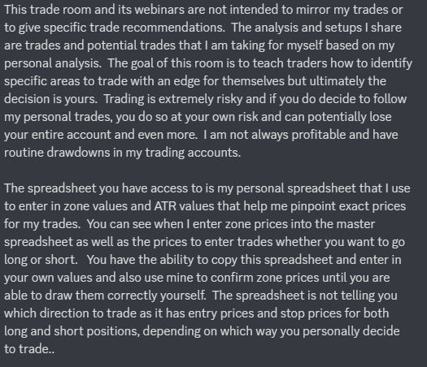

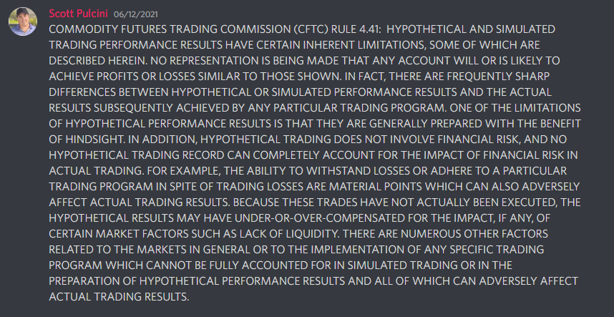

Trade Rules
USE OF THIS DOCUMENT IS SUBJECT TO DISCLAIMER IN FIRST TAB
1 ATR Reversion Rules | Risk/Reward 1.5:1 | BE Win Rate 60% | 2 ATR Reversion Rules | Risk/Reward 1:1.38 | BE Win Rate 42.02% | 3 ATR Reversion Rules | Risk/Reward 1:1.95 | BE Win Rate 33.9%

Any threshold setup that has a 1ATR/Retest/Fail. Trade parameters are: Entry is taken at 90% of 1 ATR from top or bottom of SI zone =sum(ATR*.90), Stop is 2 ATRs from top or bottom of SI zone*1.05:=sum(ATR*2*1.05).and exit is 10% of ATR in front of top or bottom of SI zone =sum(ATR*.10). If trades moves an ATR or more in one direction, the opposing 1ATR move/trade is disqualified. Also if a new SI event comes in then exit the trade immediately. |  |  | Any threshold setup that has a 2ATR/Retest/Fail. Trade parameters are: Entry is taken at 90% of 2 ATRs from top or bottom of SI zone =sum(ATR*2*.90), Stop is 3 ATRs from top or bottom of SI zone*1.01:=sum(ATR*3*1.01).and exit is 10% of ATR in front of top or bottom of SI zone =sum(ATR*.10). If trades moves an ATR or more in one direction, the opposing 2ATR move/trade is disqualified. Also if a new SI event comes in then exit the trade immediately. Market can move 1ATR, retest the zone, and the trade can still be taken for the 2 ATR reversion. |  |  | Any threshold setup that has a 2ATR/Retest/Fail. Trade parameters are: Entry is taken at 90% of 3 ATRs from top or bottom of SI zone =sum(ATR*3*.90), Stop is 4 ATRs from top or bottom of SI zone*1.005:=sum(ATR*4*1.005).and exit is 10% of ATR in front of top or bottom of SI zone =sum(ATR*.10). If trades moves an ATR or more in one direction, the opposing 2ATR move/trade is disqualified. Also if a new SI event comes in then exit the trade immediately. Market can move 1ATR, retest the zone, and the trade can still be taken for the 3 ATR reversion.

1 ATR Example |  |  | 2 ATR Example |  |  | 3 ATR Example
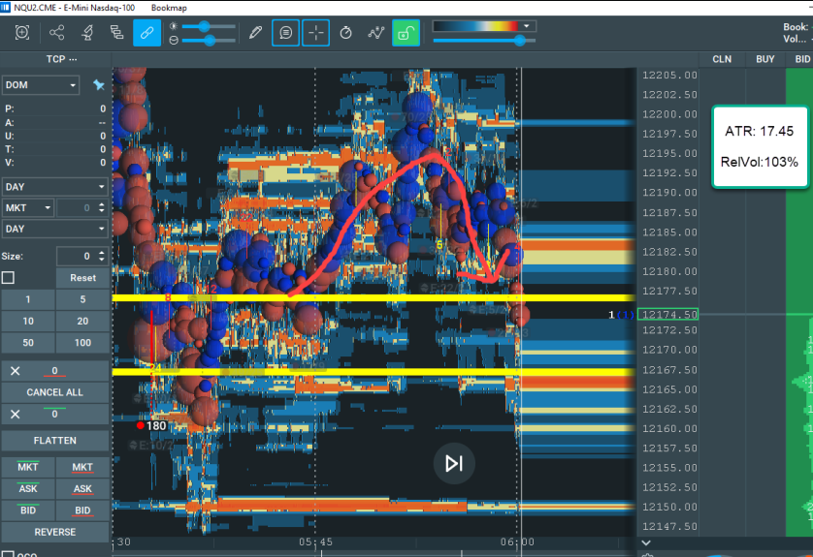
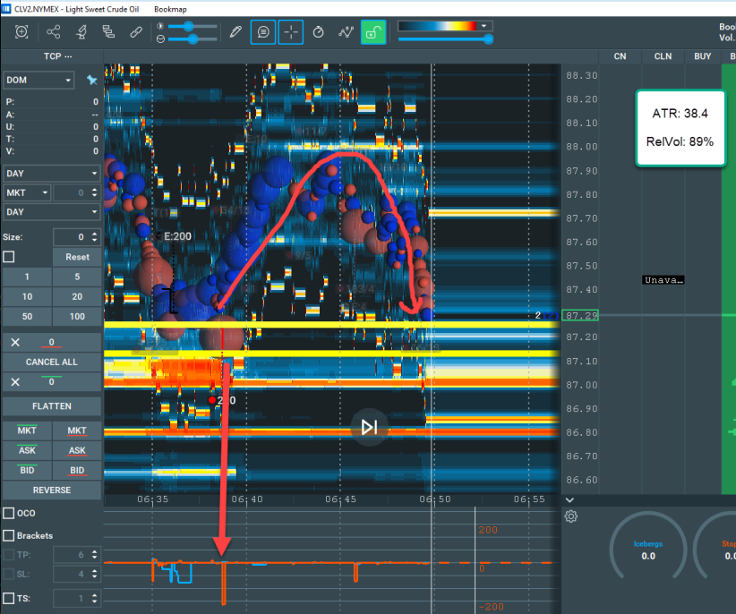
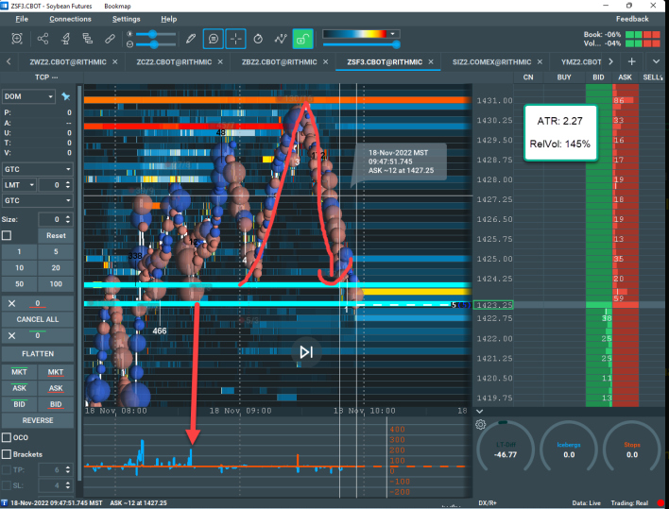

ATR Reversion Calculations Example |  | 3 ATR Calculations Example-COMING SOON

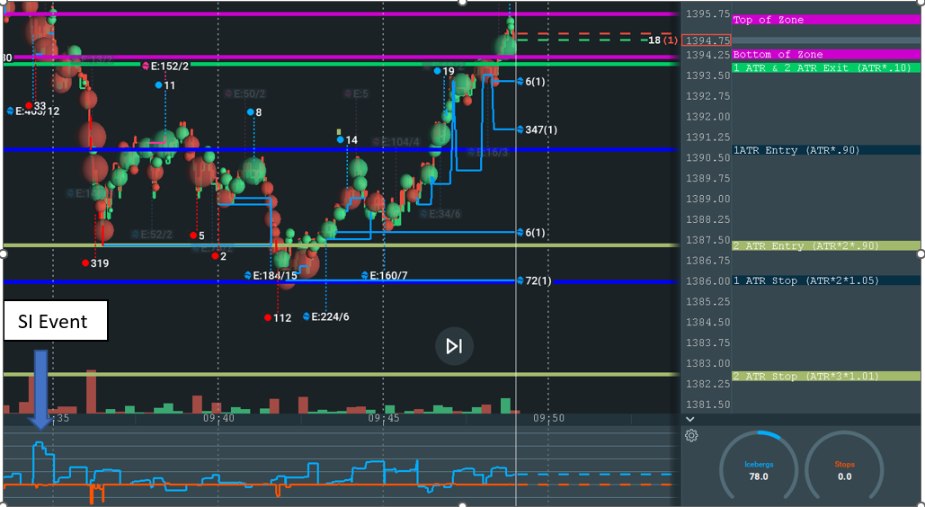
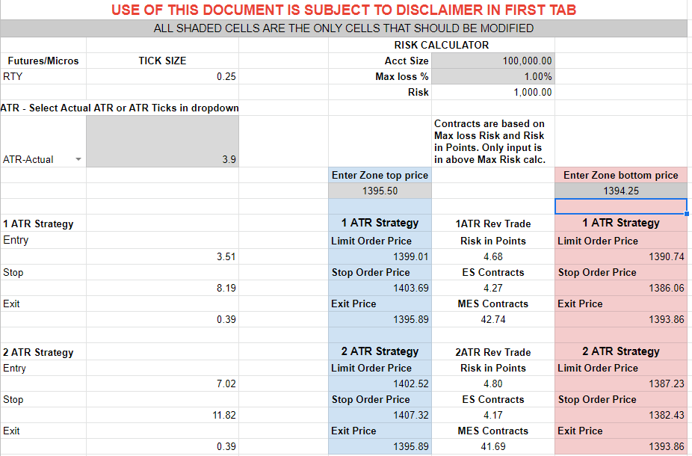

Position Strategy Rules

Any threshold setup that has a 1ATR/Retest/Fail or 1ATR aggressive entry. Trade parameters are: Entry is taken at 115% of 1 ATR from top or bottom of SI zone =sum(ATR*1.15), Stop is 115% of 1ATR from top or bottom of SI zone*1.15:=sum(ATR*1.15). Exit is discretionary based on specific price target (.ie Ludwig level, VWAP, etc.). If a new SI event comes in then the original stop can be trailed to the new event stop. If the new SI event invalidates the direction of your trade then exit the trade. If trades move an ATR or more in one direction, the opposing 1ATR move/trade is disqualified.

Position Strategy Calculations Example-COMING SOON

